GL OFFER (2)
 |  |  |  |  |  | US Size |  |  |  |  |  |  |  |  |  |  |  |  |  |  |  |  |  | 1617 |  | € 121,275.00 |  | € 242,550.00
PIC | Brand | Season | Gender | Name | SKU | 5.0 | 5.5 | 6.0 | 6.5 | 7.0 | 7.5 | 8.0 | 8.5 | 9.0 | 9.5 | 10.0 | 10.5 | 11.0 | 11.5 | 12.0 | 12.5 | 13.0 | 14.0 | QTY | WHS | Total WHS | RRP | Total RRP
 | Brooks | SS 2025 | Mens | Ghost 16 | 1104181D002 | 0 | 0 | 0 | 0 | 0 | 0 | 0 | 11 | 36 | 46 | 45 | 37 | 53 | 31 | 37 | 0 | 15 | 0 | 311 | € 75.00 | € 23,325.00 | € 150.00 | € 46,650.00
 | Brooks | SS 2025 | Mens | Ghost 16 | 1104181D020 | 0 | 0 | 0 | 0 | 0 | 0 | 3 | 0 | 0 | 0 | 0 | 0 | 0 | 11 | 6 | 0 | 0 | 0 | 20 | € 75.00 | € 1,500.00 | € 150.00 | € 3,000.00
 | Brooks | SS 2025 | Mens | Ghost 16 | 1104181D049 | 0 | 0 | 0 | 0 | 0 | 0 | 3 | 0 | 7 | 0 | 27 | 33 | 49 | 31 | 28 | 9 | 5 | 0 | 192 | € 75.00 | € 14,400.00 | € 150.00 | € 28,800.00
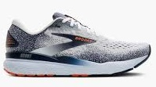 | Brooks | SS 2025 | Mens | Ghost 16 | 1104181D130 | 0 | 0 | 0 | 0 | 1 | 0 | 0 | 0 | 35 | 47 | 57 | 47 | 52 | 30 | 24 | 23 | 13 | 6 | 335 | € 75.00 | € 25,125.00 | € 150.00 | € 50,250.00
 | Brooks | SS 2025 | Womens | Ghost 16 | 1204071B020 | 0 | 0 | 5 | 0 | 0 | 0 | 0 | 26 | 31 | 27 | 6 | 0 | 0 | 0 | 0 | 0 | 0 | 0 | 95 | € 75.00 | € 7,125.00 | € 150.00 | € 14,250.00
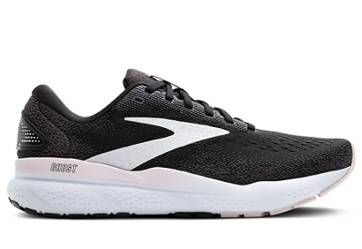 | Brooks | SS 2025 | Womens | Ghost 16 | 1204071B077 | 0 | 0 | 3 | 0 | 23 | 54 | 55 | 46 | 7 | 6 | 0 | 6 | 0 | 0 | 0 | 0 | 1 | 0 | 201 | € 75.00 | € 15,075.00 | € 150.00 | € 30,150.00
 | Brooks | SS 2025 | Womens | Ghost 16 | 1204071B152 | 0 | 0 | 0 | 0 | 25 | 14 | 5 | 27 | 24 | 9 | 0 | 0 | 2 | 0 | 0 | 0 | 2 | 0 | 108 | € 75.00 | € 8,100.00 | € 150.00 | € 16,200.00
 | Brooks | SS 2025 | Womens | Ghost 16 | 1204071B471 | 1 | 0 | 3 | 13 | 37 | 47 | 72 | 66 | 44 | 47 | 23 | 0 | 0 | 0 | 0 | 0 | 2 | 0 | 355 | € 75.00 | € 26,625.00 | € 150.00 | € 53,250.00

